pivot
QTY by product |  | REVENUE BY PRODUCT |  |  |  | REVENUE BY MONTH |  |  |  |  | WEEK DAY BY PRODUCT
 |  | Row Labels | Sum of Revenue | REVENUE BY YEAR |  | Row Labels | Sum of Revenue | Sum of Profit | REVENUE BY REGION |  | Row Labels | Count of Product | REGION BY MONTH & YEAR |  |  | PRODUCT BY PROFIT
Row Labels | QTY SOLD | Cabinet | 697255 | Row Labels | Sum of Revenue | 2025 | 7464597 | 1400185 | Row Labels | Sum of Revenue | Mon | 66 | Sum of year | Column Labels |  | Row Labels | Sum of Profit
Cabinet | 238 | Chair | 630085 | 2025 | 7464597 | Jan | 551344 | 110472 | East | 1883937 | Tue | 75 | Row Labels | 2025 | Grand Total | Cabinet | 148893.19
Chair | 259 | Desk | 905767 | Grand Total | 7464597 | Feb | 558331 | 112035 | North | 1730524 | Wed | 56 | Jan | 76950 | 76950 | Chair | 117065.42
Desk | 356 | Keyboard | 507499 |  |  | Mar | 561571 | 104256 | South | 1990559 | Thu | 75 | Feb | 72900 | 72900 | Desk | 158950.2
Keyboard | 203 | Laptop | 627634 |  |  | Apr | 788752 | 139379 | West | 1859577 | Fri | 75 | Mar | 81000 | 81000 | Keyboard | 96698.05
Laptop | 220 | Monitor | 615704 |  |  | May | 597550 | 114220 | Grand Total | 7464597 | Sat | 76 | Apr | 103275 | 103275 | Laptop | 121275.07
Monitor | 273 | Mouse | 634278 |  |  | Jun | 489164 | 89372 |  |  | Sun | 77 | May | 74925 | 74925 | Monitor | 122420.2
Mouse | 231 | Notebook | 830369 |  |  | Jul | 688861 | 124865 |  |  | Grand Total | 500 | Jun | 83025 | 83025 | Mouse | 121375.9
Notebook | 339 | Paper | 1300951 |  |  | Aug | 792450 | 162203 |  |  |  |  | Jul | 91125 | 91125 | Notebook | 150859.62
Paper | 444 | Pen | 715055 |  |  | Sep | 503617 | 90945 |  |  |  |  | Aug | 99225 | 99225 | Paper | 239184
Pen | 251 | Grand Total | 7464597 |  |  | Oct | 663318 | 134447 |  |  |  |  | Sep | 66825 | 66825 | Pen | 123462.97
Grand Total | 2814 |  |  |  |  | Nov | 636091 | 96907 |  |  |  |  | Oct | 99225 | 99225 | Grand Total | 1400184.62
 |  |  |  |  |  | Dec | 622552 | 118251 |  |  |  |  | Nov | 81000 | 81000
 |  |  |  |  |  | 0ct | 10996 | 2832 |  |  |  |  | Dec | 81000 | 81000
PRODUCT | 500 |  |  |  |  | Grand Total | 7464597 | 1400185 |  |  |  |  | 0ct | 2025 | 2025
QTY | 2814 |  |  |  |  |  |  |  |  |  |  |  | Grand Total | 1012500 | 1012500
PRODUCT | $7,464,597.00
PROFIT | $1,400,184.62

Dashboard
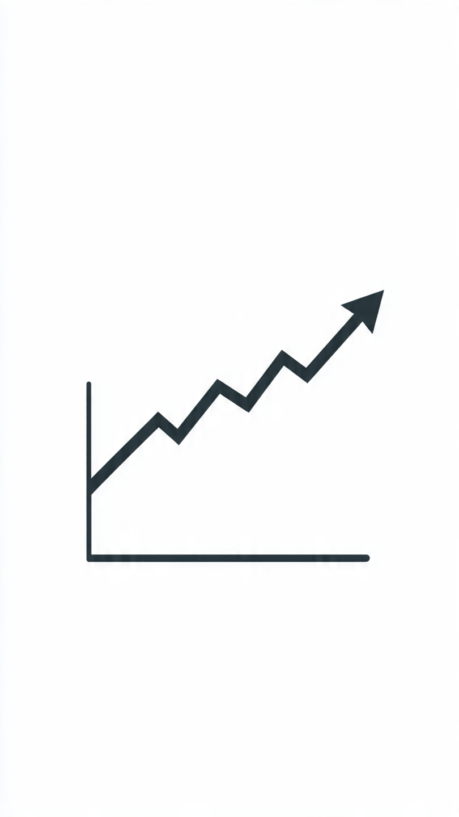

SALES AND REVENUE DASHBOARD

YEAR
TOTAL PROFIT
$ 14,OO,184.52
TOTAL QTY SOLD
2814
TOTAL REVENUE
$ 74,64,597.00
REGION
4
 | Total
Cabinet | 697255
Chair | 630085
Desk | 905767
Keyboard | 507499
Laptop | 627634
Monitor | 615704
Mouse | 634278
Notebook | 830369
Paper | 1300951
Pen | 715055

2025

month
 | Total
Cabinet | 148893.19
Chair | 117065.42
Desk | 158950.2
Keyboard | 96698.05
Laptop | 121275.07
Monitor | 122420.2
Mouse | 121375.9
Notebook | 150859.62
Paper | 239184
Pen | 123462.97
 | Total
Mon | 66
Tue | 75
Wed | 56
Thu | 75
Fri | 75
Sat | 76
Sun | 77
 | Total
2025 | 7464597

Jan feb
Mar Apr
May Jun
Jul Aug
Sep Oct
Nov Dec


Region

North
South
West
East
 | 2025
Jan | 76950
Feb | 72900
Mar | 81000
Apr | 103275
May | 74925
Jun | 83025
Jul | 91125
Aug | 99225
Sep | 66825
Oct | 99225
Nov | 81000
Dec | 81000
0ct | 2025
 | Total
East | 1883937
North | 1730524
South | 1990559
West | 1859577
 | Sum of Revenue | Sum of Profit
Jan | 551344 | 110472
Feb | 558331 | 112035
Mar | 561571 | 104256
Apr | 788752 | 139379
May | 597550 | 114220
Jun | 489164 | 89372
Jul | 688861 | 124865
Aug | 792450 | 162203
Sep | 503617 | 90945
Oct | 663318 | 134447
Nov | 636091 | 96907
Dec | 622552 | 118251
0ct | 10996 | 2832

